MESSI BAGS
Image | Brand Description | Item# | Material Description | SIZE | Material Color Description | Case Pack | Amazon Link | UPC | MSRP | PRICE | QTY AVAILABLE | YOUR QTY | YOUR OFFER
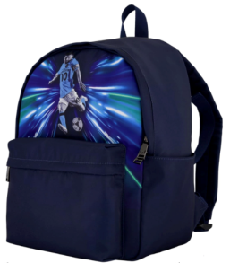 | Messi | 14MSC110-BLU | Backpack | 15 X 13 X 8 | Blue | 6 | https://www.amazon.com/Messi-Lifestyle-Backpack-Bookbag-Adjustable/dp/B0DFFZB353 | 885919765406 | $24.99 | $10.00 | 5,874
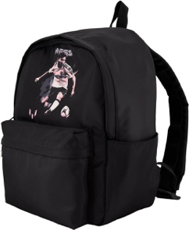 | Messi | 14MSC110-BLK | Backpack | 15 X 13 X 8 | Black | 6 | https://www.amazon.com/Messi-Lifestyle-Backpack-Bookbag-Adjustable/dp/B0DFFR6Q1Z | 885919765390 | $24.99 | $10.00 | 7,194
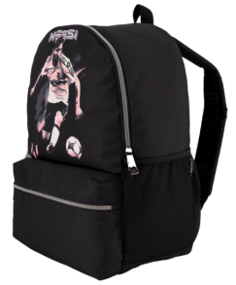 | Messi | 14MS2470-BLK | MESSI KIDS BACKPACK - Legend | 15 X 13 X 8 | Black | 6 | amazon.com/Messi-Lifestyle-Backpack-Bookbag-Adjustable/dp/B0DFFYD583/ref=ast_sto_dp_puis?ufe=app_do%3Aamzn1.fos.df0d0cc7-83fa-4a85-b7bd-5d4f1fffe633 | 885919765345 | $24.99 | $10.00 | 2,838
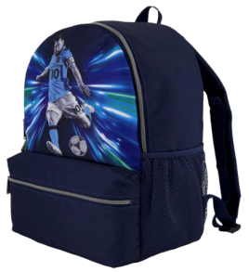 | Messi | 14MS2470-BLU | MESSI KIDS BACKPACK | 17 X 13 X 9 | Blue | 6 | https://www.amazon.com/Messi-Lifestyle-Backpack-Bookbag-Adjustable/dp/B0DFFJH8MQ/ref=ast_sto_dp_puis?ufe=app_do%3Aamzn1.fos.df0d0cc7-83fa-4a85-b7bd-5d4f1fffe633&th=1 | 885919765338 | $29.99 | $11.00 | 2,636
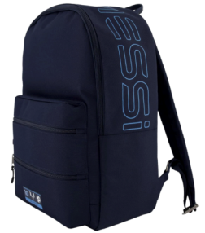 | Messi | 1422DBOJC-DKB | MESSI KIDS BACKPACK | 17 X 13 X 9 | Dark Blue | 6 |  | 885919750044 | $29.99 | $11.00 | 1,764
 | Messi | 1422DBXMS-DKB | Backpack | 17 X 13 X 9 | DK BLUE/LIGHT BLUE | 6 |  | 885919750150 | $29.99 | $11.00 | 2,700
 | Messi | 1422DBXMS-PKB | Backpack | 17 X 13 X 9 | BLACK/PINK | 6 |  | 885919750143 | $29.99 | $11.00 | 2,860
 | Messi | 14MSC102-BGR | Cinch | 16 X 13 | black/goat | 6 |  | 885919768582 | $14.99 | $7.00 | 5,874
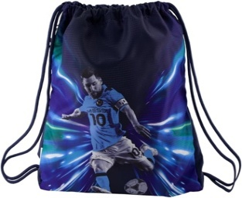 | Messi | 14MSC102-BLU | Cinch | 16 X 13 | Blue | 12 | amazon.com/Messi-Lifestyle-Drawstring-Pocket-Comfortable/dp/B0DFFRXTS4/ref=ast_sto_dp_puis | 885919765369 | $14.99 | $7.00 | 3,840
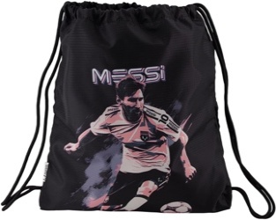 | Messi | 14MSC102-BLK | Cinch | 16 X 13 | Black | 12 | https://www.amazon.com/Messi-Lifestyle-Drawstring-Pocket-Comfortable/dp/B0DFG3H662/ref=ast_sto_dp_puis?th=1 | 885919765352 | $14.99 | $7.00 | 2,654
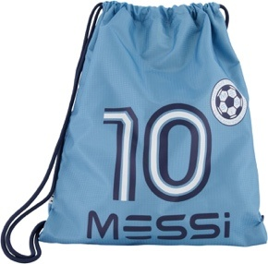 | Messi | 1420DBRJC-ABL | Cinch | 16 X 13 | Argentina Blue | 12 | https://www.amazon.com/Messi-Drawstring-School-Backpack-Argentina/dp/B0D6BF3C2H/ref=ast_sto_dp_puis | 885919750051 | $14.99 | $7.00 | 1,620
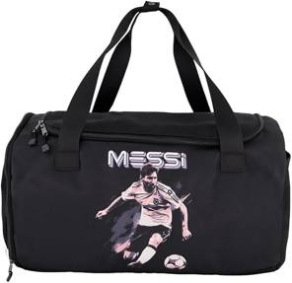 | Messi | 14MSC107-BLK | Duffle | 24 X 11 X 13 | Black | 6 | https://www.amazon.com/dp/B0DFFQR1MR/ref=sspa_dk_detail_5?pd_rd_i=B0DFFRNZL6&pd_rd_w=XgAvX&content-id=amzn1.sym.8c2f9165-8e93-42a1-8313-73d3809141a2&pf_rd_p=8c2f9165-8e93-42a1-8313-73d3809141a2&pf_rd_r=8D2S16Y07Q9PWRZJS9AV&pd_rd_wg=lH5hm&pd_rd_r=fd88e02a-3bbb-40dd-affc-2521dcc6c839&sp_csd=d2lkZ2V0TmFtZT1zcF9kZXRhaWw&th=1&psc=1 | 885919765383 | $29.99 | $12.00 | 2,936
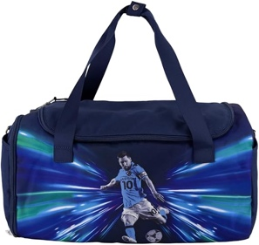 | Messi | 14MSC107-BLU | Duffle | 24 X 11 X 13 | Blue | 12 | amazon.com/dp/B0DFFRNZL6/ref=sspa_dk_detail_5?psc=1&pd_rd_i=B0DFFRNZL6&pd_rd_w=XgAvX&content-id=amzn1.sym.8c2f9165-8e93-42a1-8313-73d3809141a2&pf_rd_p=8c2f9165-8e93-42a1-8313-73d3809141a2&pf_rd_r=8D2S16Y07Q9PWRZJS9AV&pd_rd_wg=lH5hm&pd_rd_r=fd88e02a-3bbb-40dd-affc-2521dcc6c839&sp_csd=d2lkZ2V0TmFtZT1zcF9kZXRhaWw | 885919765376 | $29.99 | $12.00 | 390
TOTAL |  |  |  |  |  |  |  |  |  |  | 43,180

